Cover Page
Dashboard Dataset


Get 10% OFF our course using coupon code EMAIL10

Get our Excel for Business and Finance course.

Made by Career Principles Ltd.

Note
All content is copyright material of Career Principles Ltd.
This Excel model may not be reproduced or distributed by any means, including printing, screencapturing, or any other method without the prior permission of the publisher.

Analyze
Sum of Total Sales | Sum of Operating Profit | Average of Price per Unit | Sum of Units Sold
2,423,732 | 901,551 | $0.51 | 4,623,490

Beverage | Year
Brands | 2022 | Grand Total
Coca-Cola | $499,102 | $499,102
Dasani Water | $469,271 | $469,271
Diet Coke | $423,759 | $423,759
Fanta | $315,489 | $315,489
Powerade | $349,534 | $349,534
Sprite | $366,578 | $366,578
Grand Total | $2,423,733 | $2,423,733

Years (Invoice Date) | Quarters (Invoice Date) | Sum of Total Sales | Average of Operating Margin
2022 | Qtr1 | $692,776 | 40% | 2022 | Qtr1 | 69277610% | 40%
 | Qtr2 | $644,204 | 40% |  | Qtr2 | 64420390% | 40%
 | Qtr3 | $719,170 | 41% |  | Qtr3 | 71917040% | 41%
 | Qtr4 | $367,582 | 40% |  | Qtr4 | 36758210% | 40%
Grand Total |  | $2,423,732 | 40% | Grand Total | 0% | 242373250% | 40%
 |  |  |  |  | 0% | 0% | 0%
 |  |  |  |  | 0% | 0% | 0%
 |  |  |  |  | 0% | 0% | 0%
 |  |  |  | 0% |  | 0% | 0%

Beverage | Year
Brands | 2022 | Grand Total
Amazon | $276,210 | $276,210
BevCo | $466,788 | $466,788
FizzyCo | $161,210 | $161,210
Target | $9,250 | $9,250
Walmart | $339,913 | $339,913
West Soda | $1,170,362 | $1,170,362
Grand Total | $2,423,733 | $2,423,733

Dashboard
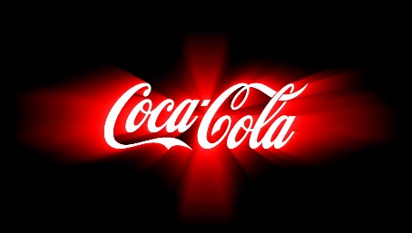
COCA-COLA RETAIL DASHBOARD
Figures in USD

TOTAL SALES
2,423,733
TOTAL OPERATING PROFIT
901,551
AVG. PRICE PER UNIT
$0.51
UNITS SOLD
4,623,490

Sales by Beverage Brands |  |  |  | Sales by Retailers
Brand | Sales 2023 | Sales 2023 | Variances | Retailer | Sales 2022 | Sales 2023 | Variances
Coca-Cola | 499,102 | 499,102 | 0 | Amazon | 276,210 | 276,210 | 0
Dasani Water | 469,271 | 469,271 | 0 | BevCo | 466,788 | 466,788 | 0
Diet Coke | 423,759 | 423,759 | 0 | FizzyCo | 161,210 | 161,210 | 0
Fanta | 315,489 | 315,489 | 0 | Target | 9,250 | 9,250 | 0
Powerade | 349,534 | 349,534 | 0 | Walmart | 339,913 | 339,913 | 0
Sprite | 366,578 | 366,578 | 0 | West Soda | 1,170,362 | 1,170,362 | 0
Total | 2,423,733 | 2,423,733 | 0 | Total | 2,423,733 | 2,423,733 | 0

Sales & Operating Profit Margin by Quarter
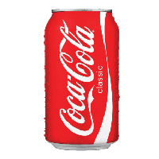
 | Sales | Operating Profit Margin
Qtr1 | 69277610% | 40%
Qtr2 | 64420390% | 40%
Qtr3 | 71917040% | 41%
Qtr4 | 36758210% | 40%
0% | 242373250% | 40%
0% | 0% | 0%
0% | 0% | 0%
0% | 0% | 0%

Josh Analytics Fun 2026

